Preview of Patterns
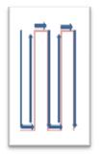 |  |  | 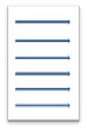

Snakes for Column | Snakes for Row | Top to Bottom | Left to Right

